Part A - B
Scheduling Employees at Big Town Fire
Fundamental Challenge:
Scheduling employees of Big Town Fire while meeting the requirement of # of employees per day/shift and acheiving the lowest possible total compensation cost
Why is this Important?
With proper scheduling, Big Town Fire can minimize compensation costs and therefore increase efficiency
Implications of Failure:
Incorrect scheduling can lead to being short-staffed on certain days and/or spending more then needed for other days.
Assumptions in this Scheduling Model:
We assume that the firefighters will all follow the same "normal" shift of working 4 days and 12 hours per day followed by 3 consecutive days off without taking any sick days or deviating from the schedule.
 | Mon | Tue | Wed | Thu | Fri | Sat | Sun |  | Total Number of Shifts
Employees Working 5 AM - 5PM | 11 | 11 | 12 | 18 | 19 | 19 | 14 |  | 104
 | >= | >= | >= | >= | >= | >= | >=
# Employees Req. 5 AM - 5PM | 11 | 11 | 12 | 18 | 19 | 19 | 14

Employees Working 5 PM - 5AM | 16 | 17 | 20 | 21 | 22 | 24 | 20 |  | 140
 | >= | >= | >= | >= | >= | >= | >=
# Employees Req. 5 PM - 5AM | 16 | 17 | 18 | 20 | 22 | 24 | 20

 | 5AM - 5PM | 5PM - 5AM
Base Cost per hour | $30.00 | $35.00
Benefits | $9.90 | $11.55
Total Cost per hour | $39.90 | $46.55
Total Cost per 12 hour Shift | $478.80 | $558.60

 | Mon | Tue | Wed | Thu | Fri | Sat | Sun | # of Employees | Compensation Cost
# Employees Starting 5AM - 5PM | 3 | 4 | 5 | 6 | 4 | 4 | 0 | 26 | $12,448.80
# Employees Starting 5PM - 5AM | 2 | 4 | 9 | 6 | 3 | 6 | 5 | 35 | $19,551.00

Total Compensation Cost (Benchmark Solution) | $31,999.80

Part D
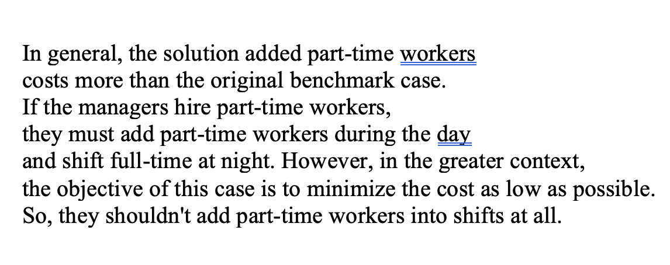
Scheduling Employees at Big Town Fire
Day: Fulltime worker / Night: Parttime worker
 | Mon | Tue | Wed | Thu | Fri | Sat | Sun |  | Total Number of Shifts
Employees Working 5 AM - 5PM | 11 | 11 | 12 | 18 | 19 | 19 | 14 |  | 104
 | >= | >= | >= | >= | >= | >= | >=
# Employees Req. 5 AM - 5PM | 11 | 11 | 12 | 18 | 19 | 19 | 14

Employees Working 5 PM - 5AM | 16 | 17 | 21 | 20 | 22 | 24 | 20 |  | 140
 | >= | >= | >= | >= | >= | >= | >=
# Employees Req. 5 PM - 5AM | 16 | 17 | 18 | 20 | 22 | 24 | 20

 | 5AM - 5PM | 5PM - 5AM
Base Cost per hour | $30.00 | $35.00
Benefits | $0.00 | $11.55
Total Cost per hour | $30.00 | $46.55
Total Cost per 12 hour Shift | $360.00 | $558.60

 | Mon | Tue | Wed | Thu | Fri | Sat | Sun
# Employees Starting 5AM - 5PM | 7 | 4 | 8 | 10 | 9 | 10 | 4
# Employees Starting 5PM - 5AM | 1 | 4 | 10 | 5 | 3 | 6 | 6
 |  |  |  |  |  |  |  | # of Employees | Compensation Cost
Total Compensation Cost (Benchmark Solution) | $38,271.00 |  |  |  |  |  |  | 52 | $18,720.00
 |  |  |  |  |  |  |  | 35 | $19,551.00

